DL03C老挝付费率表
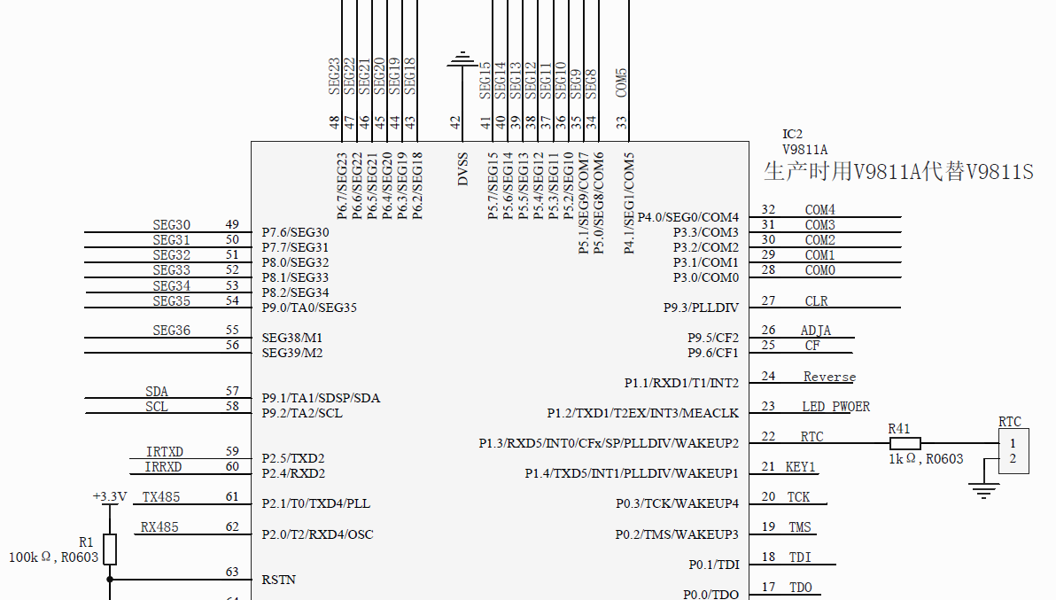
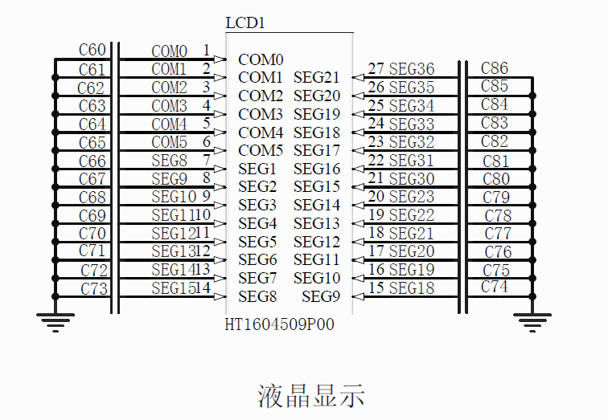

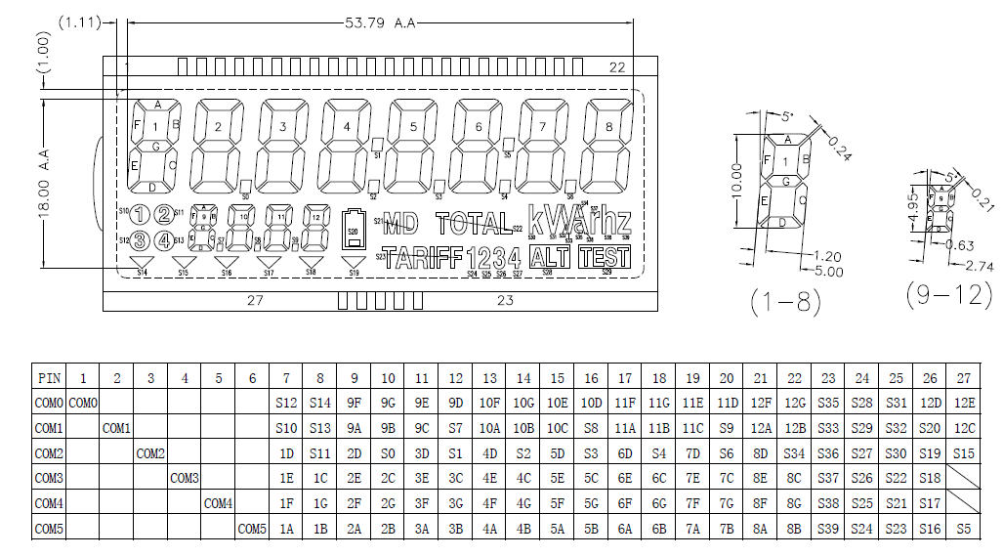

液晶显示说明：老挝单相复费率表液晶，表计型号：DL03C；液晶参数：TN,反射，6COM，1/3bais，3V； 液晶驱动采用V9811A芯片，LCD_BUFF[N],分析后设计N=10

DIS_BUFF[n] define： BIT7:BIT0 =[C4S(n+1),C3S(n+1),C2S(n+1),C1S(n+1),C4S(n),C3S(n),C2S(n),C1S(n)] ;[1D,1C,1B,1A,DOT,1E,1G,1F] :CX =lcd drive's COM X, SX = lcd drive's SEG x

DIS_BUFF[21] | 0 | 1 | 2 | 3 | 4 | 5 | 6 | 7 | 8 | 9 | 10 | 11 | 12 | 13 | 14 | 15 | 16 | 17 | 18 | 19 | 20
mcu-seg | S8 | S9 | S10 | S11 | S12 | S13 | S14 | S15 | S18 | S19 | S20 | S21 | S22 | S23 | S30 | S31 | S32 | S33 | S34 | S35 | S36
LCD_PIN | 7 | 8 | 9 | 10 | 11 | 12 | 13 | 14 | 15 | 16 | 17 | 18 | 19 | 20 | 21 | 22 | 23 | 24 | 25 | 26 | 27
COM0 | S12 | S14 | 9F | 9G | 9E | 9D | 10F | 10G | 10E | 10D | 11F | 11G | 11E | 11D | 12F | 12G | S35 | S28 | S31 | 12D | 12E
COM1 | S10 | S13 | 9A | 9B | 9C | S7 | 10A | 10B | 10C | S8 | 11A | 11B | 11C | S9 | 12A | 12B | S33 | S29 | S32 | S20 | 12C
COM2 | 1D | S11 | 2D | S0 | 3D | S1 | 4D | S2 | 5D | S3 | 6D | S4 | 7D | S6 | 8D | S34 | S36 | S27 | S30 | S19 | S15
COM3 | 1E | 1C | 2E | 2C | 3E | 3C | 4E | 4C | 5E | 5C | 6E | 6C | 7E | 7C | 8E | 8C | S37 | S26 | S22 | S18 | /
COM4 | 1F | 1G | 2F | 2G | 3F | 3G | 4F | 4G | 5F | 5G | 6F | 6G | 7F | 7G | 8F | 8G | S38 | S25 | S21 | S17 | /
COM5 | 1A | 1B | 2A | 2B | 3A | 3B | 4A | 4B | 5A | 5B | 6A | 6B | 7A | 7B | 8A | 8B | S39 | S24 | S23 | S16 | S5
MCU_LCD_REG | M8 | M9 | M10 | M11 | M12 | M13 | M14 | M15 | M18 | M19 | M20 | M21 | M22 | M23 | M30 | M31 | M32 | M33 | M34 | M35 | M36

数字1~8的位组成：NumSegD1_D8 |  |  |  |  |  | bit0 | bit1 | bit2 | bit3 | bit4 | bit5 | bit6 | bit7
 |  |  |  |  |  | D | E | F | A | DP | C | G | B
 |  | unsigned char code Tab[]={0xAF,0xA0,0xCB,0xE9,0xE4,0x6D,0x6F,0xA8,0xEF,0xED,0xEE,0x67,0x0F,0xE3,0x4F,0x4E};

数字9~11位组成：NumSegD9_D11 |  |  |  |  |  |  |  | bit0 | bit1 | bit2 | bit3 | bit4 | bit5 | bit6 | bit7
 |  |  |  |  |  |  |  | F | A | G | B | E | C | D | DP
 |  | unsigned char code Tab[]={0x7B,0x28,0x5E,0x6E,0x2D,0x67,0x77,0x2A,0x7F,0x6F,0x3F,0x75,0x53,0x7C,0x57,0x17};

数字12的位组成：NumSegD12 |  |  |  |  |  |  | bit0 | bit1 | bit2 | bit3 | bit4 | bit5 | bit6 | bit7
 |  |  |  |  |  |  | F | A | G | B | D | DP | E | C
 |  | unsigned char code Tab[]={0xDB,0x88,0x5E,0x9E,0x8D,0x97,0xD7,0x8A,0xDF,0x9F,0xCF,0xD5,0x53,0xDC,0x57,0x47};

